DS

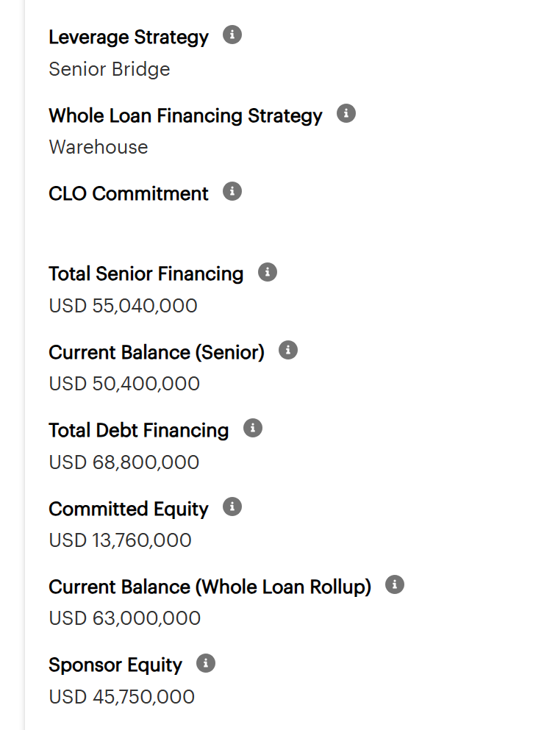
 | Previous | Current
 | 2025-12-31 | 2026-03-31
UPB | $63,000,000 | $63,000,000
Occupancy | 67.10% | 68.44%

Rate Cap | 5.00% | 5.00%
SOFR | 3.79% | 3.68000%
Spread | 2.98% | 2.98%

Effective Interest Rate | 6.77% | 6.66%
Effective Capped Interest Rate | 6.77% | 6.66%

Net Cash Flow | $3,734,510.64 | $3,824,433.64

Debt Service (Excluding Rate Cap) | $4,322,159.36 | $4,254,075.00
Debt Service (Including Rate Cap) | $4,322,159.36 | $4,254,075.00

DSCR (Excluding Rate Cap) | 0.86x | 0.90x
DSCR (Including Rate Cap) | 0.86x | 0.90x

DY | 5.93% | 6.07%

Tax
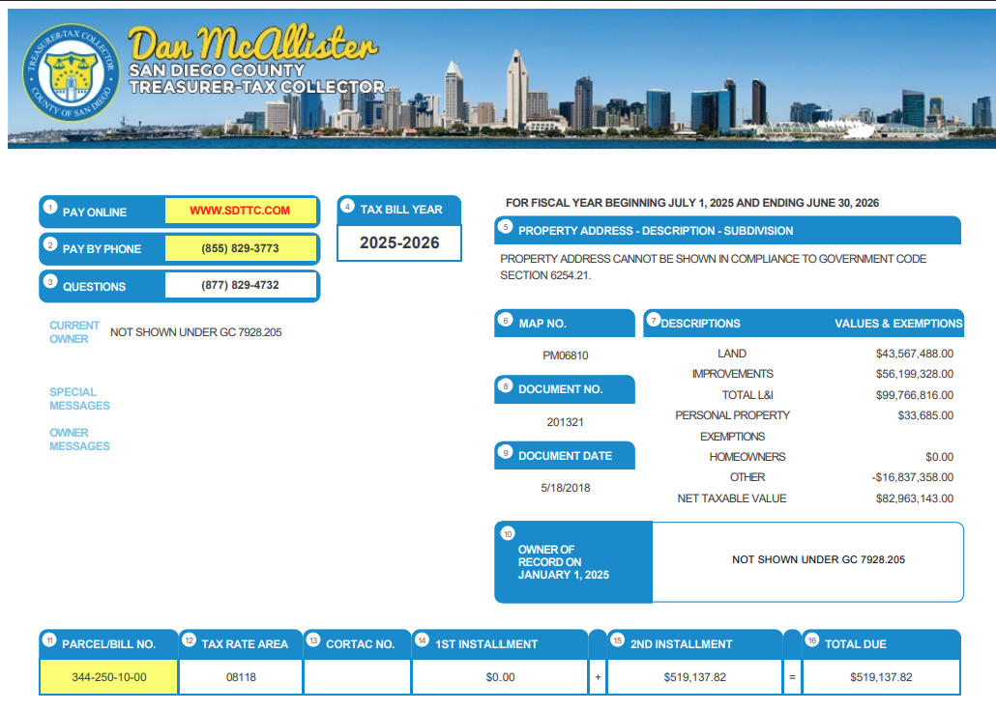
https://www.sdttc.com/content/ttc/en/tax-collection/prior-year-tax-records.html
https://wps.sdttc.com/webpayments/CoSDTreasurer2/search

Parcel Number | 1st Installment | 2nd Installment | Annual Total
344-250-10-00 | $519,138 | $519,138 | $1,038,276
Total |  |  | $1,038,276

From | 2025-07-01
To | 2026-06-30

Insurance
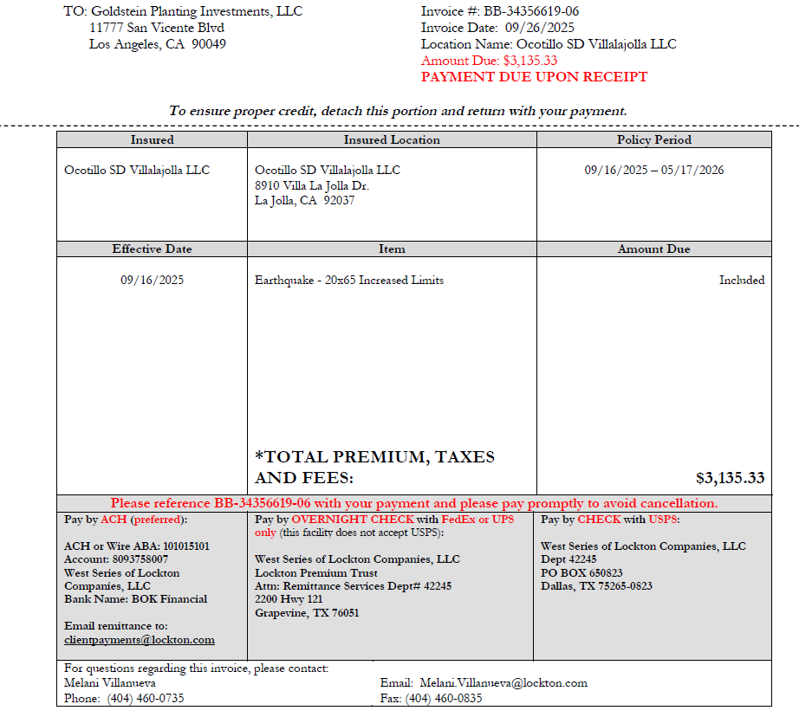
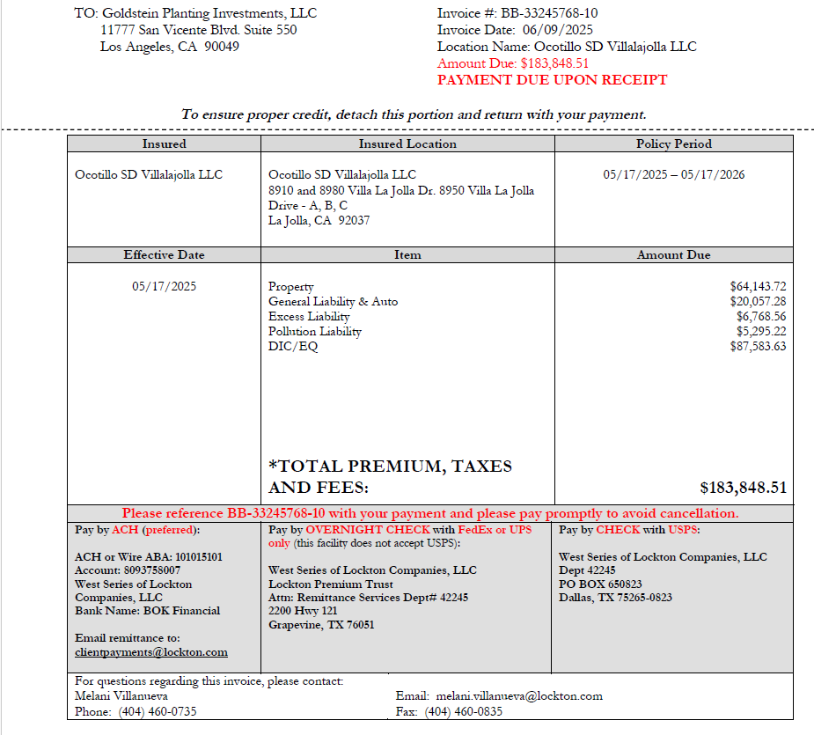
Insurance Catgeory | Premium
Property | $64,143.72
General Liability | $20,057.28
Excess Liability | $6,768.56
Pollution Liability | $5,295.22
DIC/EQ | $87,583.63
Earthquake | $3,135.33
Total | $186,983.74

From | 2025-05-17
To | 2026-05-17

